Instructions
VMG3 Trimguide

This trim guide will help you to check the length of your bridle lines

The goal is to measure the bridle lines from the connection point of the flying lines to the bottom sail seam

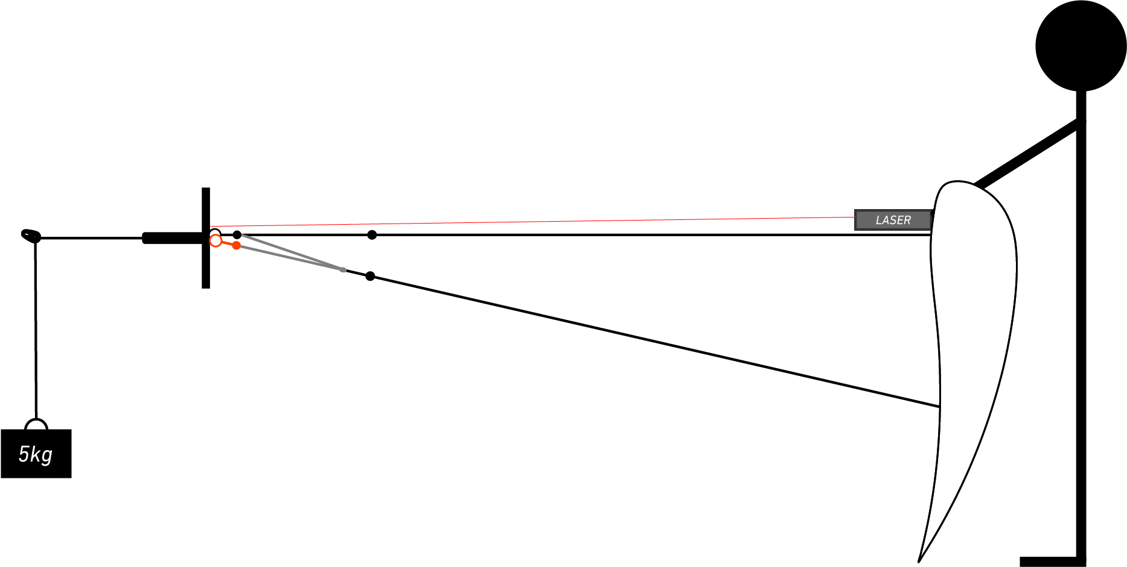
Here is how your laser measurement jig should look like:

MEASURE FROM THE CONNECTION POINT OF THE FLYING LINES TO THE BOTTOM SAIL SEAM (INCLUDING MIXER, BRIDLES, LCL & WEBBING)

The basic version of this trim guide gives you the exact trims to do on your kite to get it back to it's optimal shape
The expert version allows you to pre-calculate the trims you need to apply on your kite in order to match the reference value

The advantage of using the expert version over the basic version is spending more time time thinking and less time dealing with knots

How to use the expert version:

1- Measure your bridles and add the values in the bridle measurement table
2- Add a global offset value to your values to compensate the overall length difference to the reference values
3- Add an offset on the B level to compensate the Pulleyline shrinking
4- Add the required trims in the personnal off-set addition table

Appendix:

